Worksheet
# | Product Image | Product Name | Product code | EAN | Color ID | Color | Wholesale price | Retail price | Available stock
1 | 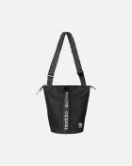 | All Day Bucket Solid olkalaukku | 091271 | 6411254761540 | 009 | musta | 66.65 | 170 | 120
2 | 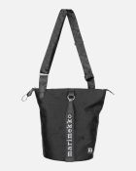 | All Day Bucket Unikko laukku | 092226 | 6411254843352 | 999 | musta | 70.57 | 180 | 300
3 | 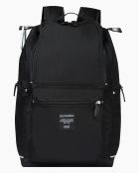 | Buddy reppu | 092512 | 6411254851135 | 999 | musta | 74.19 | 175 | 44
4 | 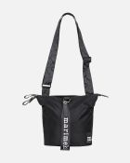 | Carry All Solid laukku | 091923 | 6411254807774 | 009 | musta | 60.77 | 155 | 0
5 | 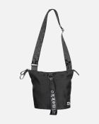 | Carry All Unikko laukku | 092227 | 6411254843468 | 999 | musta | 66.65 | 170 | 2
6 | 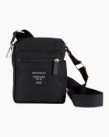 | Cash & Carry olkalaukku | 092517 | 6411254851142 | 999 | musta | 40.26 | 95 | 88
7 | 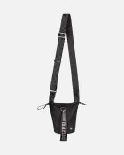 | Essential Bucket Solid olkalaukku | 091201 | 6411254757109 | 009 | musta | 49 | 125 | 74
8 | 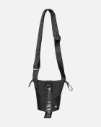 | Essential Bucket Unikko laukku | 092228 | 6411254843451 | 999 | musta | 52.92 | 135 | 5
9 | 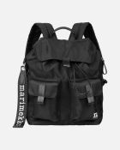 | Everything Backpack L Solid reppu | 091198 | 6411254757017 | 009 | musta | 90.17 | 230 | 200
10 | 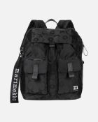 | Everything Backpack L Unikko reppu | 092229 | 6411254843505 | 999 | musta | 98.01 | 250 | 8
11 | 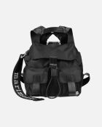 | Everything Backpack S Solid reppu | 091199 | 6411254757079 | 009 | musta | 74.49 | 190 | 0
12 | 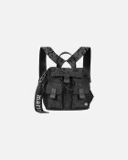 | Everything Backpack S Unikko reppu | 092230 | 6411254843482 | 999 | musta | 82.33 | 210 | 79
13 | 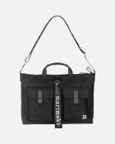 | Everything Messenger Solid laukku | 092327 | 6411254833001 | 009 | musta | 86.25 | 220 | 44
14 |  | KIOSKI Torna Unikko -laukku | 047931 | 6411254522110 | 910 | musta, valkoinen | 47.04 | 120 | 23
15 | 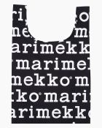 | Marilogo -smartbag | 048854 | 6411254578797 | 910 | musta, valkoinen | 10.19 | 26 | 9
16 | 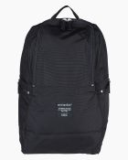 | Metro Reppu | 092518 | 6411254851159 | 999 | musta | 70.22 | 165 | 7
17 |  | Mini Messenger Solid olkalaukku | 092538 | 6411254888551 | 009 | musta | 56.84 | 145 | 6
18 | 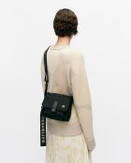 | Mini Messenger Unikko olkalaukku | 092803 | 6411254888575 | 999 | musta | 60.77 | 155 | 40
19 | 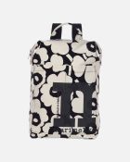 | Mono Backpack Unikko reppu | 092195 | 6411254844595 | 908 | puuvilla, musta | 90.17 | 230 | 66
20 | 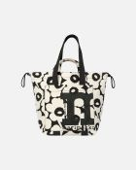 | Mono City Tote Unikko laukku | 092196 | 6411254844601 | 908 | puuvilla, musta | 80.37 | 205 | 78
21 | 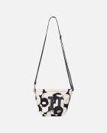 | Mono Mini Crossbody Unikko laukku | 092198 | 6411254844700 | 908 | puuvilla, musta | 54.88 | 140 | 240
22 | 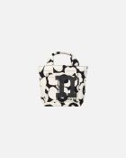 | Mono Mini Tote Unikko laukku | 092197 | 6411254844717 | 908 | puuvilla, musta | 39.2 | 100 | 0
23 | 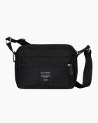 | My Things olkalaukku | 092519 | 6411254851166 | 999 | musta | 46.64 | 110 | 20
24 | 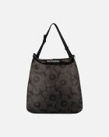 | Neat Crossbody Unikko L olkalaukku | 094121 | 6411255000631 | 999 | tummanharmaa, harmaa | 33.33 | 85 | 22
25 | 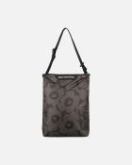 | Neat Crossbody Unikko M olkalaukku | 094122 | 6411255000594 | 999 | tummanharmaa, harmaa | 29.4 | 75 | 11
26 |  | Neat Crossbody Unikko S olkalaukku | 094123 | 6411255000549 | 999 | tummanharmaa, harmaa | 25.48 | 65 | 13
27 | 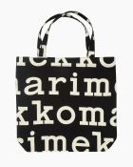 | Notko Logo -laukku | 047312 | 6411254501481 | 911 | musta, l.valkoinen | 31.36 | 80 | 6
28 | 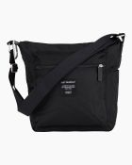 | Pal Laukku | 092520 | 6411254851173 | 999 | musta | 52.99 | 125 | 46
29 | 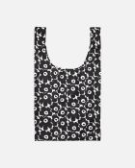 | Smartbag Unikko -laukku | 091493 | 6411254772324 | 190 | valkoinen, musta | 10.19 | 26 | 9
30 | 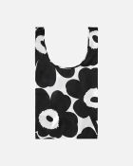 | Smartbag Unikko kassi | 091492 | 6411254772317 | 190 | valkoinen, musta | 10.19 | 26 | 0
31 | 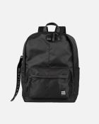 | Zip Top Backpack Solid reppu | 093325 | 6411254921555 | 009 | musta | 86.25 | 220 | 56
32 | 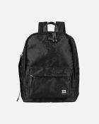 | Zip Top Backpack Unikko reppu | 093324 | 6411254921524 | 999 | musta | 94.09 | 240 | 88

